Minutes to Decimal Conversion
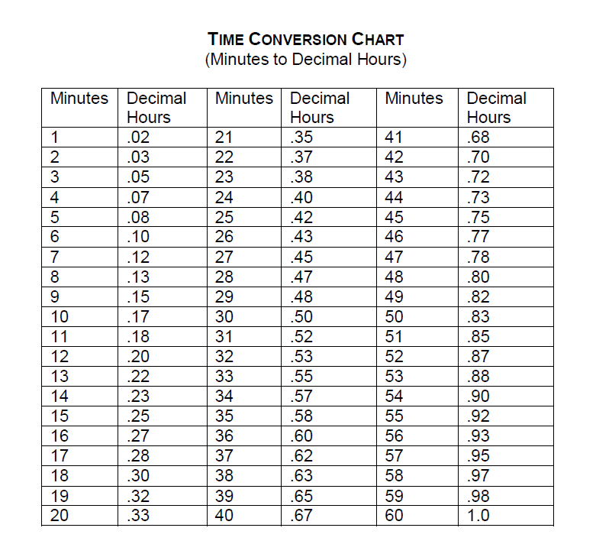
Back to Guidance Notes
Back to Summary of Inputs

Back to Overtime (Basic Rate)
Back to Overtime (Double Time)
Back to Casual Hours

